1. Title Page
Instacart Grocery Basket Analysis

Project Name: Instacart Grocery Basket Analysis
Date: 3/13/2022
Analyst Name: Emily Hill

Contents:
Population Flow
Consistency checks
Wrangling steps
Column derivations
Visualizations
Recommendations

2. Population Flow
Title page

Population flow

Exclusion flag
Condition: max_order < 5
Obervations to be removed: low-activity customers
Final total count of order_products_all: 30,964,564
**this is solely for P1, Q4 in final project**
**I used the original Orders_products_all for remaining questions**

Orders_products_combined
Orders_products_merged
Orders_products_all

Total: 32,404,859
Total: 32,404,859
Total: 32,434,489

1.) The grey boxes in the first row of the population flow represent the original data sets as they were when you downloaded them. In the Total fields you need to add the count of the rows when you imported the data set into Jupyter.
2.) The second row of boxes (coloured) represents the data sets after you manipulated them, e.g., removed missing values and duplicates. In the Total fields you need to add the count of the rows after conducting these operations. This offers a visual oveview of how the data flows throughout the data consistency checks.
3.) The third row, where also the arrows are coloured, represents the merges you performed between the datasets. In the Total fields you need to add the count of the rows in the merged datasets, so that you end up with the final dataset (in the red box). Keep in mind the final dataset should be without exclusions (based on the exclusion flag).

3. Consistency checks
 |  |  |  |  |  |  | Title page
Consistency checks

Dataset | Missing values | Missing values treatment | Duplicates
orders | 206,209 days_since_prior_order | left in since they indicate new accounts | none
products | 16 product names | deleted records | 5 duplicates
orders_products_prior | none | n/a | none
customers | 11,259 First Name | left as/is (will not affect analysis) | none

orders_products_all | 2,076,096 days_since_prior_order | left alone since these are from new accounts
orders_products_all | 5127 prices | these were unreasonably large values, so replaced with NaN intentionally; 4429 items priced at $14,900(cottage cheese); 698 items priced at $99,999(2%Milk)
orders_products_all | 5 median_dspo | none; NaN are 5 items that were in 1 order from a user_id that never had a repeat order (max_order = 1)
orders_products_all | 5 order_freq_flag | none; NaN are where max_order = 1

Crosstab for Regions and Spend_Flag
Region | high spender | low spender |  | low spender % of total | high spender % of total
Midwest | 155975 | 7441350 |  | 98% | 2%
Northeast | 108225 | 5614511 |  | 98% | 2%
South | 209691 | 10582194 |  | 98% | 2%
West | 160354 | 8132559 |  | 98% | 2%

Crosstab for Generations and Regions
Generation | Midwest | Northeast | South | West
SilentGen(78+) | 590834 | 459130 | 855373 | 646366
GenZ(18-25) | 939534 | 711112 | 1376665 | 1017878
GenX(42-57) | 1958248 | 1439775 | 2669739 | 2119484
Millenial(26-41) | 1892038 | 1414607 | 2733665 | 2059772
Boomer(58-77) | 2216671 | 1698112 | 3156443 | 2449413

Crosstab for Generations and Departments
Generation | alcohol | babies | bakery | beverages | breakfast | bulk | canned goods | dairy eggs | deli | dry goods pasta | frozen | household | international | meat seafood | missing | other | pantry | personal care | pets | produce | snacks
SilentGen(78+) | 11388 | 32178 | 92927 | 210567 | 55331 | 2724 | 83932 | 420657 | 82732 | 68058 | 177654 | 59205 | 21372 | 56452 | 5366 | 2741 | 146717 | 34726 | 8191 | 749292 | 229493
GenZ(18-25) | 20411 | 53011 | 146426 | 333087 | 89514 | 4422 | 133490 | 674860 | 130500 | 109809 | 279975 | 91673 | 34037 | 88853 | 8999 | 4667 | 233795 | 55817 | 13295 | 1177604 | 360944
GenX(42-57) | 38401 | 109291 | 297877 | 684330 | 178948 | 8691 | 269404 | 1360972 | 264503 | 219586 | 565729 | 187069 | 67767 | 178621 | 17492 | 9158 | 474667 | 114633 | 24832 | 2384655 | 730620
Millenial(26-41) | 38974 | 106358 | 292197 | 662208 | 174707 | 8663 | 268541 | 1358155 | 263614 | 215234 | 553019 | 183757 | 68016 | 174887 | 17235 | 9042 | 466251 | 111143 | 23475 | 2379963 | 724643
Boomer(58-77) | 44522 | 122964 | 343001 | 797931 | 204533 | 10073 | 312691 | 1584103 | 309900 | 253940 | 658366 | 216962 | 78061 | 210114 | 20053 | 10683 | 553939 | 131253 | 27923 | 2787777 | 841850

Crosstab for IncomeClass and Regions
IncomeClass | Midwest | Northeast | South | West
low_income | 984503 | 741694 | 1454557 | 1093961
mid_income | 5539130 | 4199534 | 7844489 | 6033756
upper_income | 1073692 | 781508 | 1492839 | 1165196

Crosstab for IncomeClass and Departments
IncomeClass | alcohol | babies | bakery | beverages | breakfast | bulk | canned goods | dairy eggs | deli | dry goods pasta | frozen | household | international | meat seafood | missing | other | pantry | personal care | pets | produce | snacks
low_income | 22029 | 40139 | 139967 | 447347 | 109799 | 5560 | 113482 | 652327 | 135705 | 91949 | 282578 | 107972 | 29907 | 56826 | 8811 | 4819 | 222348 | 60367 | 10951 | 1111791 | 620041
mid_income | 103852 | 324132 | 860589 | 1877940 | 496147 | 24747 | 801330 | 3984807 | 768985 | 650702 | 1633865 | 525297 | 200785 | 546742 | 51211 | 26232 | 1384640 | 324951 | 71775 | 7045014 | 1913166
upper_income | 27815 | 59531 | 171872 | 362836 | 97087 | 4266 | 153246 | 761613 | 146559 | 123976 | 318300 | 105397 | 38561 | 105359 | 9123 | 5240 | 268381 | 62254 | 14990 | 1322486 | 354343

Crosstab for Frequency flag and IncomeClass
order_freq_flag | low_income | mid_income | upper_income
non-freq cust | 565051 | 2598024 | 473362
reg cust | 971654 | 5245102 | 991808
freq cust | 2738010 | 15773778 | 3048065

4. Wrangling steps
 |  |  |  | Title page
Wrangling steps

Columns dropped | Columns renamed | Columns' type changed | Comment/Reason
'eval_set' (products df) |  |  | not needed;
 |  | 'order_id' (orders df) | mixed to string
 |  | user_id' (orders df) | mixed to string
 | order_number' to 'user_order_number' |  | task/ease of clearly understanding column contents
 | 'Surnam' to 'Last Name' |  | ease of understanding/consistent with FirstName column
First Name |  |  | Security/PII
Last Name |  |  | Security/PII

5. Column derivations
 |  |  |  | Title page

Column derivations and aggregations

In this tab you should add tables below that the frequences of flags/label variables that you produced after deriving them. NB: don't do this for continuous variables, only for flags.
Dataset | New column | Column/s it was derived from | Conditions
ords_prods_merged_2 | price_range_loc | prices | price>15, 'high-range product' price<=15 & >5, 'mid-range product' price<5, 'low-range product'
ords_prods_merged_2 | busiest_days | orders_day_of_week | if==0 or 1, 'busiest day' if ==4 or 3, 'least busy' else, 'regularly busy'
ords_prods_merged_2 | busiest_period_of_day | order_hour_of_day | if hour == 10, 11, 14, 15 then 'most orders'/'busiest time' if hour ==3, 4, 2, 5 then 'fewest orders'/'least busy time' else 'average orders'/'regularly busy'
ords_prods_merged_4 | max_order | user_order_number | grouped by user_id, max of 'user_order_number'
ords_prods_merged_4 | loyalty_flag | max_order | grouped by user_id max_order <=10 'new customer' max_order>10 & max_order<=40 'regular customer' max_order>40 'loyal customer'
ords_prods_merged_4 | spending_flag | average_product_price | grouped by user_id mean price<10 'low spender' mean price >=10 'high spender'
ords_prods_merged_4 | average_product_price | prices | grouped by user_id, mean of 'prices'
ords_prods_merged_4 | median_dspo | days_since_prior_order | grouped by user_id, median 'days_since_prior_order'
ords_prods_merged_4 | order_freq_flag | median_dspo | grouped by user_id median dspo>20 'non-freq customer' median dspo<=20 & median dspo >10 'reg customer' median dspo <=10 'freq customer'
opm_dept | active_cust_flag | max_order | max_order <5 = 'low activity', max_order >=5 = 'active'
opm_dept | Generation | Age | age<26, 'GenZ' age>=26 & <42, 'Millenial' age>=42 & <58, 'GenX' age>=58 & <77, 'Boomer' age>=77, 'SilentGen'
opm_dept | IncomeClass | income, fam_status, n_dependant | low-income: single or divorced/widowed, no children, income <=34400 OR married w/ no children or divorced/widowed with 1 child, income <=43693 OR married, 1 child, income <=50697 OR divorced/widowed with 2 children, income <=50697 OR married, >1 children, income <=60499 OR divorced/widowed with >2 children, income <=60499 mid-income: single or divorced/widowed, no children, income >34400 and <=103200 OR married, 1 child, income >50697 and <=152092 OR divorced/widowed with 2 children,, income >50697 and <=152092 OR married, >1 children, income >60499 and <=181496 OR divorced/widowed with >2 children, income >60499 and <=181496 upper-income: single or divorced/widowed, no children, income >103200 OR married w/ no children or divorced/widowed with 1 child, income >131078 OR married, 1 child, income >152092 OR divorced/widowed with 2 children, income >152092 OR married, >1 children, income >181496 OR divorced/widowed with >2 children, income >181496

df_opm['spending_flag'].value_counts(dropna = False)
low spender 31770614
high spender 634245
Name: spending_flag, dtype: int64

df_opm['loyalty_flag'].value_counts(dropna=False)
regular customer 15876776
loyal customer 10284093
new customer 6243990
Name: loyalty_flag, dtype: int64

df_opm['order_freq_flag'].value_counts(dropna = False)
freq cust 21559853
reg cust 7208564
non-freq cust 3636437
NaN 5
Name: order_freq_flag, dtype: int64

df['active_cust_flag'].value_counts(dropna=False)
active 30964564
low_activity 1440295
Name: active_cust_flag, dtype: int64

6. Visualizations
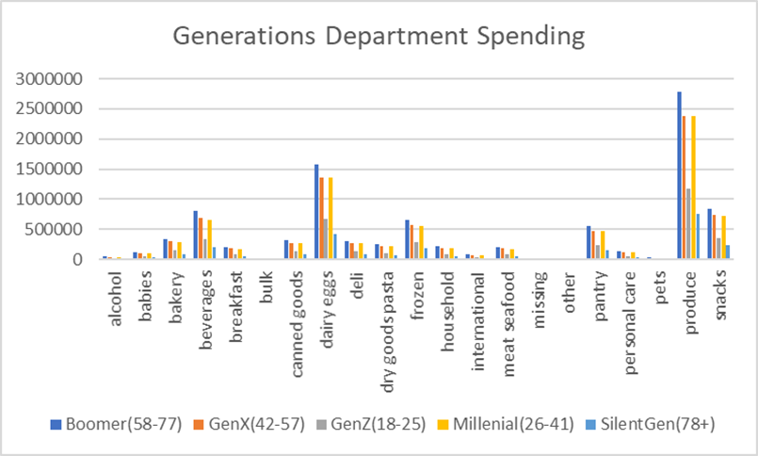
 |  |  |  |  |  |  |  | Title page

Visualisations

In this tab you should include all the visualtions from Exercises 4.9 and 4.10, alongside the questions from the project brief that they answer. Include any commentary on the relationship between different variables.

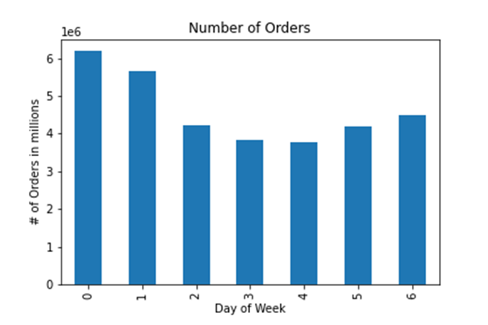
 |  |  | Answers:
 | Key Question 1 | The sales team needs to know what the busiest days of the week and hours of the day are (i.e., the days and times with the most orders) in order to schedule ads at times when there are fewer orders. | Below, you see that the busiest days of the week are Saturday and Sunday (Days 0 and 1) and the busiest hours of the day are between hours 10 and 15.

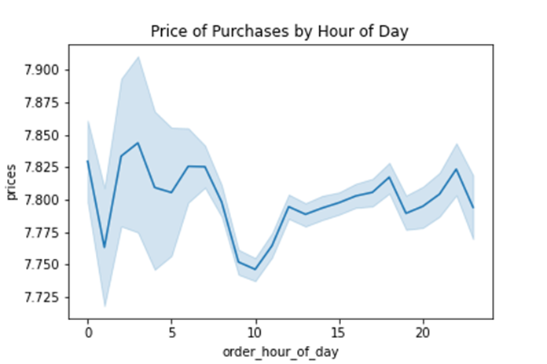
 | Key Question 2 | They also want to know whether there are particular times of the day when people spend the most money, as this might inform the type of products they advertise at these times. | Price points are similar throughout the day. There is more of a fluctuation of high/low prices during hours 1-6.

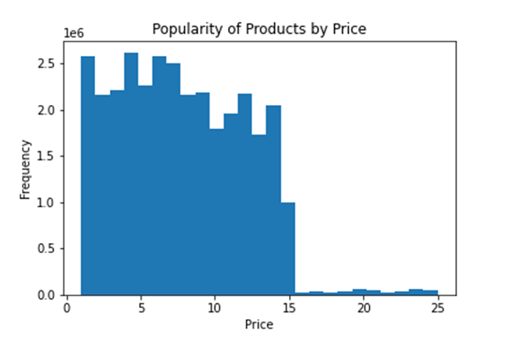
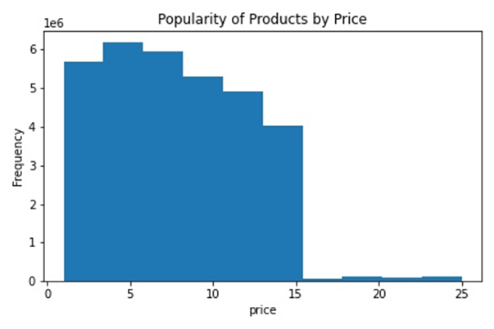
 | Key Question 3 | Instacart has a lot of products with different price tags. Marketing and sales want to use simpler price range groupings to help direct their efforts. | The majority of products sold are in the lower price range, as depicted by the histograms below. The first histogram is broken down with 25 bars and the second histogram is broken down with 10 bars.

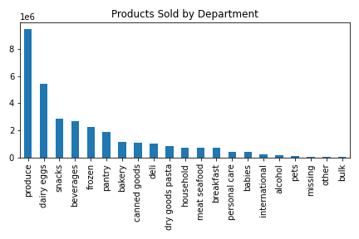
 | Key Question 4 | Are there certain types of products that are more popular than others? The marketing and sales teams want to know which departments have the highest frequency of product orders. | Produce was the most popular category with Instacart by far.

 | Key Question 5 | The marketing and sales teams are particularly interested in the different types of customers in their system and how their ordering behaviors differ. For example: ● What’s the distribution among users in regards to their brand loyalty (i.e., how often do they return to Instacart)? ● Are there differences in ordering habits based on a customer’s loyalty status? ● Are there differences in ordering habits based on a customer’s region? ● Is there a connection between age and family status in terms of ordering habits? ● What different classifications does the demographic information suggest? Age? Income? Certain types of goods? Family status? ● What differences can you find in ordering habits of different customer profiles? Consider the price of orders, the frequency of orders, the products customers are ordering, and anything else you can think of. | 1 Customers who placed over 10 but less than 40 orders, named 'regular customers' make up a majority of our customers. 2 In the Days Since Prior Order by Loyalty Status Line Graph, all customer groups' number of items orders inflate at 7, 14, 21 days indicating that customers tend to order the same day each week. Further, more items are ordered if customers return by the 7 day mark. 3 In all regions, 98% of items sold are to low spenders and 2% are to high spenders. 4/5 The "Boomers" generation orders more products than any other generation.Middle income families order the most from Instacart and most of these families are frequent customers. 6 Most customers have similar/same buying habits male/female, parent/non-parent. Income classes do have low income customers purchase more from the snack department and | 1 | 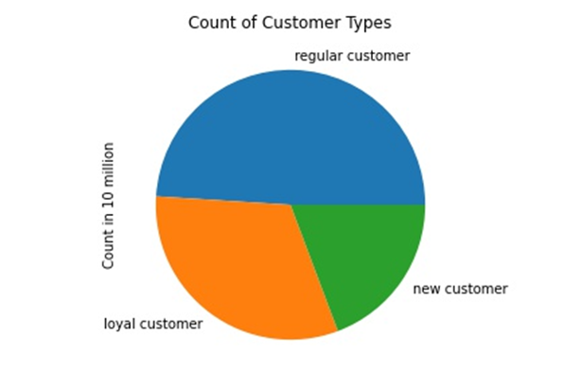 | 2 | 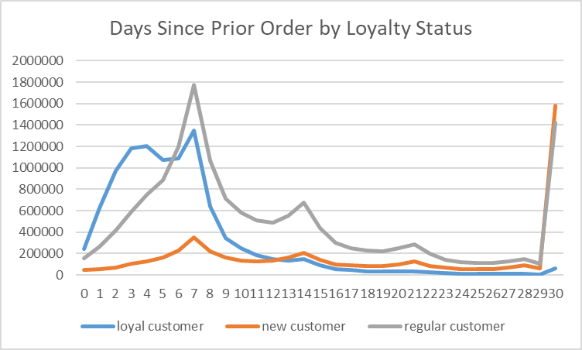

Spending Habits by Region
 | high spender | low spender
Midwest | 155975 | 7441350
Northeast | 108225 | 5614511
South | 209691 | 10582194
West | 160354 | 8132559
 |  |  |  | 3

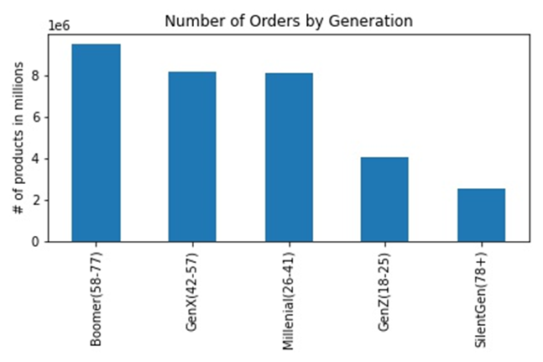
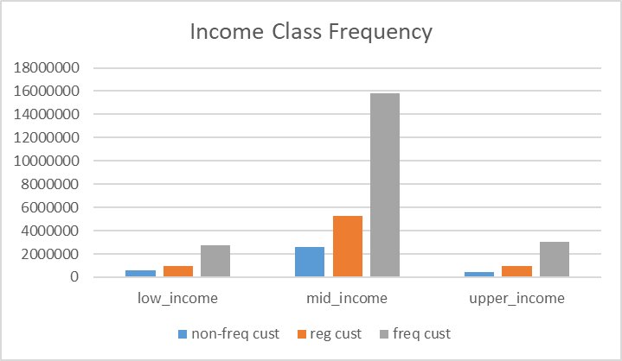
 |  |  |  | 4and5

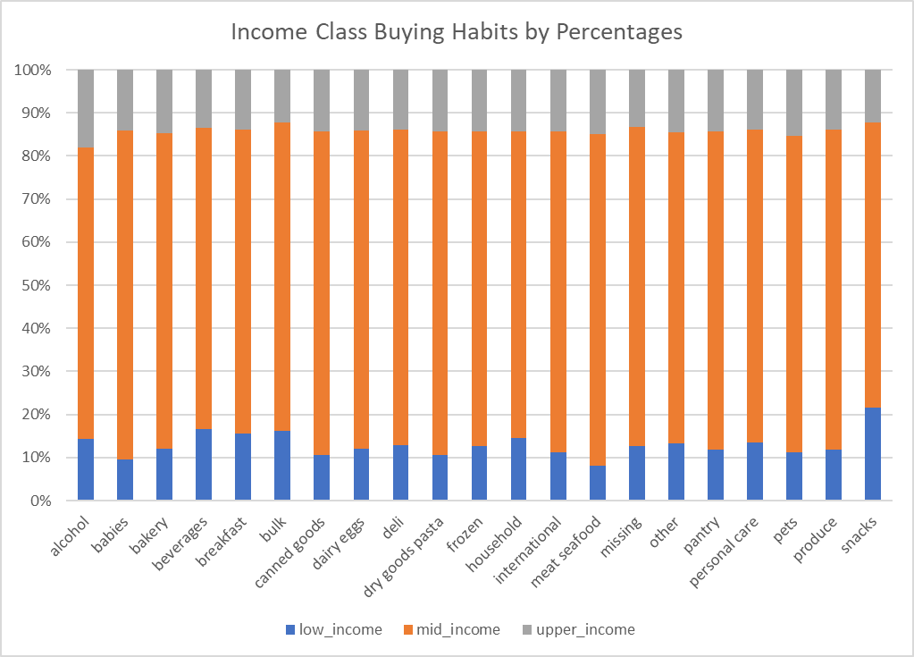
6

7. Recommendations
 |  |  |  | Title page

Recommendations

In this tab you should include any recommendations you would made to Instcart in terms of their marketing strategy based on the questions posed in the brief. Every key question has been covered in the Tasks of the Exercises - here you need to add an item - a visualisation or table/crosstable that is showing the answer in the data, acompanied by a comment from you. Please, list the questions below and add the answer underneath.

Question |  | Answer | Recommendation
Key Question 1 | The sales team needs to know what the busiest days of the week and hours of the day are (i.e., the days and times with the most orders) in order to schedule ads at times when there are fewer orders. | Below, you see that the busiest days of the week are Saturday and Sunday (Days 0 and 1) and the busiest hours of the day are between hours 10 and 15. | The best ad times would be between hours 18 and 7 (overnight) and also increase ads through the workweek (Monday through Friday), with Tuesday and Wednesday being peak ad days.
 | 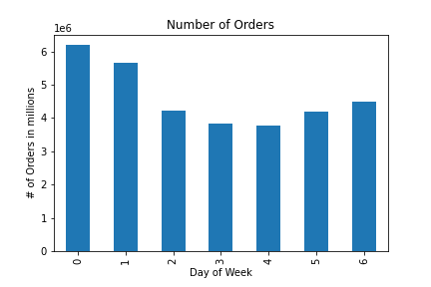 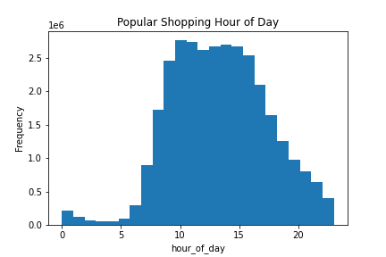
Key Question 2 | They also want to know whether there are particular times of the day when people spend the most money, as this might inform the type of products they advertise at these times. | Price points are similar throughout the day. There is more of a fluctuation of high/low prices during hours 1-6. | There seems to be more fluctuation of prices between the hours of 0 and 7, so a more targeted advertising at this time may influence purchases.
 | 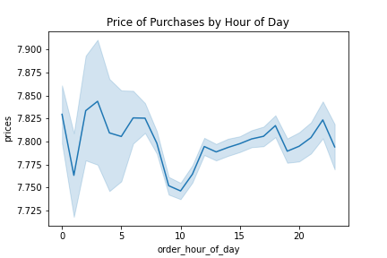
Key Question 3 | Instacart has a lot of products with different price tags. Marketing and sales want to use simpler price range groupings to help direct their efforts. | The majority of products sold are in the lower price range, as depicted by the histograms below. The first histogram is broken down with 25 bars and the second histogram is broken down with 10 bars. | Higher ticket items (over $15) have very few sales relative to lower ticket items. Advertising these items may increase sales.
 | 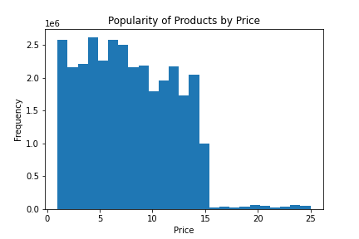 | 
Key Question 4 | Are there certain types of products that are more popular than others? The marketing and sales teams want to know which departments have the highest frequency of product orders. | Across all generations, produce was the most popular category with Instacart. | Instacart may want to drop the bulk department to focus on others. Meat/Seafood is a high-priced department, but is only "middle of the pack" in sales.

Key Question 5 | The marketing and sales teams are particularly interested in the different types of customers in their system and how their ordering behaviors differ.
 | What’s the distribution among users in regards to their brand loyalty (i.e., how often do they return to Instacart)? | Customers who placed over 10 but less than 40 orders, named 'regular customers' make up a majority of our customers. | We should focus on getting more new customers and creating some sort of customer loyalty plan to move the new customers to the regular/loyal categories.

Days Since Prior Order by Loyalty Status
 | loyal customer | new customer | regular customer
0 | 239649 | 50835 | 157845
1 | 626159 | 52138 | 262177
2 | 973214 | 73018 | 417492
3 | 1185968 | 102510 | 587710
4 | 1202971 | 128621 | 747056
5 | 1074717 | 163020 | 886697
6 | 1090986 | 230094 | 1196418
7 | 1351314 | 349823 | 1775061
8 | 643383 | 223448 | 1065114
9 | 347725 | 160456 | 709660
10 | 247991 | 136121 | 583075
11 | 184155 | 128004 | 508602
12 | 151544 | 132795 | 489825
13 | 136552 | 161485 | 553077
14 | 147364 | 206825 | 675467
15 | 89470 | 140906 | 441082
16 | 57659 | 101920 | 301756
17 | 44725 | 88554 | 248835
18 | 37008 | 83264 | 230315
19 | 31115 | 84053 | 219714
20 | 32357 | 99700 | 247675
21 | 33447 | 125828 | 284867
22 | 23358 | 86331 | 199160
23 | 15475 | 67588 | 142771
24 | 12993 | 58064 | 122364
25 | 11561 | 55691 | 113165
26 | 9099 | 58115 | 110561
27 | 9974 | 69404 | 124683
28 | 11648 | 89309 | 152194
29 | 7137 | 62505 | 105828
30 | 64663 | 1581266 | 1421445
 | ● Are there differences in ordering habits based on a customer’s loyalty status? | In the Days Since Prior Order by Loyalty Status Line Graph, all customer groups' number of items orders inflate at 7, 14, 21 days indicating that customers tend to order the same day each week. Further, more items are ordered if customers return by the 7 day mark. | "Loyal Customers" and "Regular Customers" typically order again each week. When customers do not do this, there tends to be a dropoff in reordering. If Instacart could influence customers to order again within 7 days, this influences a pattern in customer behavior and are more likely to become "Loyal Customers". Further, when a customer becomes "loyal" (over 40 orders), they tend to not let a month go by without another order.
Spending Habits by Region
 | high spender | low spender
Midwest | 155975 | 7441350
Northeast | 108225 | 5614511
South | 209691 | 10582194
West | 160354 | 8132559
 | ● Are there differences in ordering habits based on a customer’s region? | In all regions, 98% of items sold are to low spenders and 2% are to high spenders. The Southern Region orders the most, while the Northeast orders the least. | Most Instacart purchases are made in the South and fewest in the Northeast.
Income Class Frequency
 | non-freq cust | reg cust | freq cust
low_income | 565051 | 971654 | 2738010
mid_income | 2598024 | 5245102 | 15773778
upper_income | 473362 | 991808 | 3048065
 | ● Is there a connection between age and family status in terms of ordering habits? ● What different classifications does the demographic information suggest? Age? Income? Certain types of goods? Family status? |  Middle income families order the most from Instacart and most of these families are frequent customers. The "Boomers" generation orders more products than any other generation. | Boomers and mid-income families make up a majority of the buying power. Targeting GenX and Millenial customers will increase sales and build business longevity as our population ages.

 | ● What differences can you find in ordering habits of different customer profiles? Consider the price of orders, the frequency of orders, the products customers are ordering, and anything else you can think of. | Mid-Income level families spend more than Upper- and Low-Income level families. High-income tends to spend more than mid- and lo-income in the alcohol department. Low-income spends more in the snack department than the other income levels. Boomers outspend all other age group profiles in every category. | There is a similar ratio of product purchases between the different age groups.

